Homework Problem
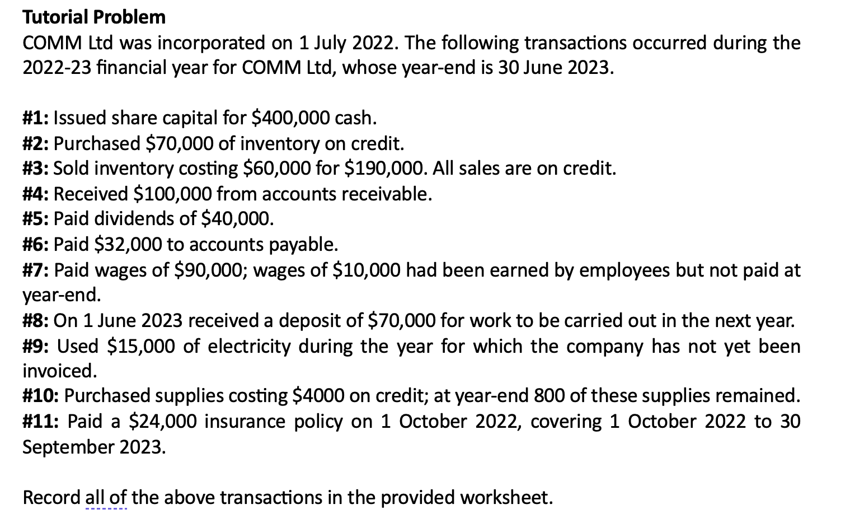

Transaction | Assets |  |  |  |  | Liabilities |  |  |  | Equity |  | Details of Retained Profits
 | Cash | Inventory | Accounts receivable | Supplies | Prepaid insurance | Accounts payable | Wages payable | Unearned revenue | Electricity payable | Share Capital | Retained Profits
#1 | 400,000 |  |  |  |  |  |  |  |  | 400,000
#2 |  | 70,000 |  |  |  | 70,000
#3 |  | (60,000) |  |  |  |  |  |  |  |  | (60,000)
 |  |  | 190,000 |  |  |  |  |  |  |  | 190,000 | Sales revenue
#4 | 100,000 |  | (100,000)
#5 | (40,000) |  |  |  |  |  |  |  |  |  | (40,000) | Dividends
#6 | (32,000) |  |  |  |  | (32,000)
#7 | (90,000) |  |  |  |  |  | 10,000 |  |  |  | (100,000) | Wages expense
#8 | 70,000 |  |  |  |  |  |  | 70,000
#9 |  |  |  |  |  |  |  |  | 15,000 |  | (15,000) | Electricity expense
#10 |  |  |  | 800 |  | 4,000 |  |  |  |  | (3,200) | Supplies expense
#11 | (24,000) |  |  |  | 6,000 |  |  |  |  |  | (18,000) | Insurance expense
Total | 384,000 | 10,000 | 90,000 | 800 | 6,000 | 42,000 | 10,000 | 70,000 | 15,000 | 400,000 | (46,200)

Net Total | 490,800 |  |  |  |  | 137,000 |  |  |  | 353,800

Tutorial Activity
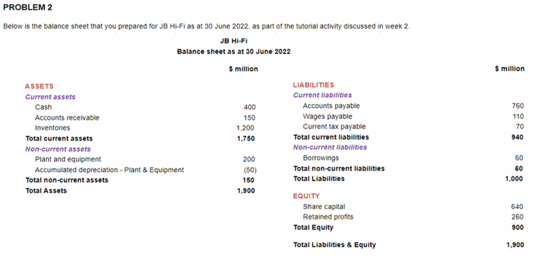
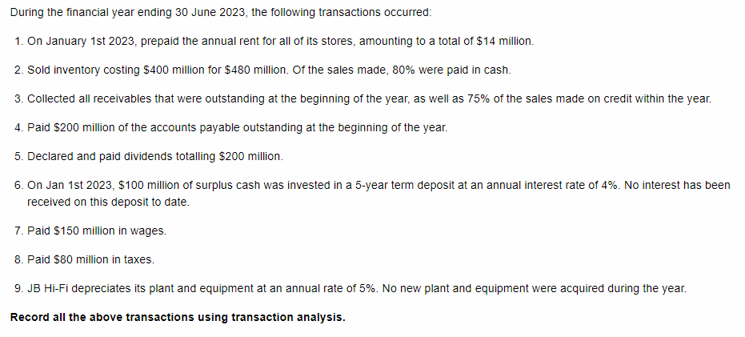

Part a

Transaction | Assets |  |  |  |  |  |  |  | Liabilities |  |  |  | Equity |  | Details of Retained Profits | Balance Check
 | Cash | Accounts receivable | Inventories | Prepaid rent | Interest receivable | Long-term deposit | Property, Plant & Equipment | Acc. Depreciation | Accounts Payable | Wages payable | Income tax payable | Borrowings | Share Capital | Retained Profits
Opening balance (1/7/2022) | 400 | 150 | 1,200 | - | - | - | 200 | (50) | 760 | 110 | 70 | 60 | 640 | 260 |  | -
#1 | (14) |  |  | 7 |  |  |  |  |  |  |  |  |  | (7) | Rent expense | -
#2 |  |  | (400) |  |  |  |  |  |  |  |  |  |  | (400) | Cost of goods sold | -
 | 384 | 96 |  |  |  |  |  |  |  |  |  |  |  | 480 | Sales revenue | -
#3 | 222 | (222) |  |  |  |  |  |  |  |  |  |  |  |  |  | -
#4 | (200) |  |  |  |  |  |  |  | (200) |  |  |  |  |  |  | -
#5 | (200) |  |  |  |  |  |  |  |  |  |  |  |  | (200) | Dividends | -
#6 | (100) |  |  |  | 2 | 100 |  |  |  |  |  |  |  | 2 | Interest revenue | -
#7 | (150) |  |  |  |  |  |  |  |  | (110) |  |  |  | (40) | Wages expense | -
#8 | (80) |  |  |  |  |  |  |  |  |  | (70) |  |  | (10) | Taxes | -
#9 |  |  |  |  |  |  |  | (10) |  |  |  |  |  | (10) | Depreciation expense | -
Closing balance (30/6/2023) | 262 | 24 | 800 | 7 | 2 | 100 | 200 | (60) | 560 | - | - | 60 | 640 | 75 |  | -
 | 1,335 | 1,335
Part b |  |  | Part c
JB Hi-Fi |  |  | JB Hi-Fi
Income statement for the year ended 30 June 2023 |  |  | Balance sheet as at 30 June 2023
 | $ million |  |  |  |  | $ million
Sales revenue | 480 |  | ASSETS
COGS | (400) |  | Current assets
Gross Profit | 80 |  | Cash |  |  | 262
Interest revenue | 2 |  | Accounts receivable |  |  | 24
Rent expense | (7) |  | Inventories |  |  | 800
Wages expense | (40) |  | Prepaid rent |  |  | 7
Depreciation expense | (10) |  | Interest receivable |  |  | 2
Profit before tax | 25 |  | Total current assets |  |  | 1095
Income tax expense | (10) |  | Non-current assets
Net profit | 15 |  | Long-term deposit |  |  | 100
Opening Retained Earnings | 260 |  | Property, Plant & Equipment |  |  | 200
Dividends | (200) |  | Accumulated Depreciation |  |  | (60)
Closing Retained Earnings | 75 |  | Total non-current assets |  |  | 240
 |  |  | Total assets |  |  | 1335
 |  |  | LIABILITIES
 |  |  | Current liabilities
 |  |  | Accounts payable |  |  | 560
 |  |  | Total current liabilities |  |  | 560
 |  |  | Non-current liabilities
 |  |  | Borrowings |  |  | 60
 |  |  | Total non-current liabilities |  |  | 60
 |  |  | Total liabilities |  |  | 620
 |  |  | EQUITY
 |  |  | Share Capital |  |  | 640
 |  |  | Retained Profits |  |  | 75
 |  |  | Total equity |  |  | 715
 |  |  | Total liabilities and equity |  |  | 1,335

